Colab
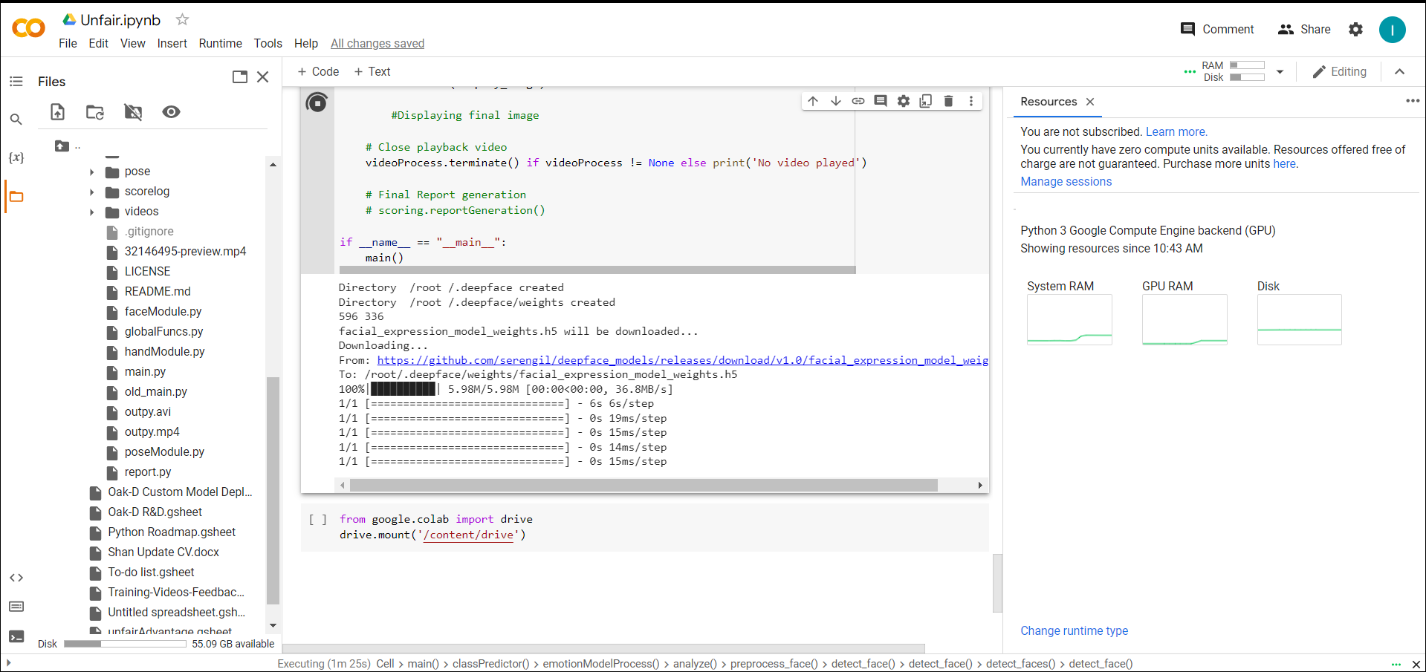
 | Fps | Time | Total Frames
Original | 24 | 30 | 714
Saved | 39.666666667 | 18 | 714

